reward analyses
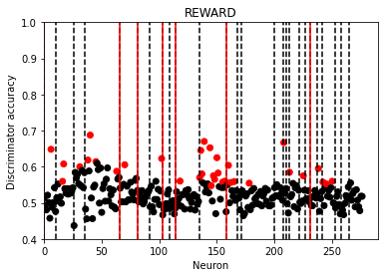
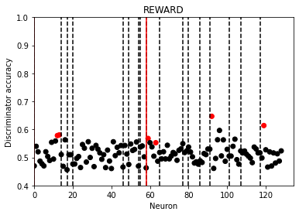
This sheet shows, for each brain area, results of the "REWARD" analysis:
- we take all the LICK trials and determine how well they are at classifying difference between GO and NOGO trials
The red lines separate different mice, and the dotted black lines separate different sessions

First set of data: - using all 41 time points in the trials
s1naive on all 41 data points | s1 on all data | ppc on all 41 data points
number of neurons passing criteria 31 out of 223 | number of neurons passing criteria 66 out of 277 | number of neurons passing criteria 26 out of 129

3 sessions are exlcuded for having no lick trials | I have manually removed mouse id 406, session 20180409 | As in the original analysis, something unique about the first session for each of the 2 mice
1 session was exlcuded for having only 3 lick trials |  | not surprisng - we were basically analysing the same data as before, due to high number of LICK trials

Order of mice: 1218,1260, 1268, 1298 | Order of mice: 1140, 301,406, 410,531, 588, 756 | Order of mice: 588, 756

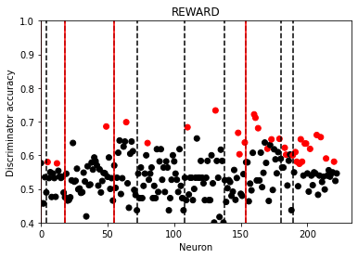
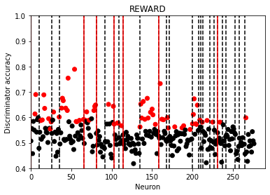
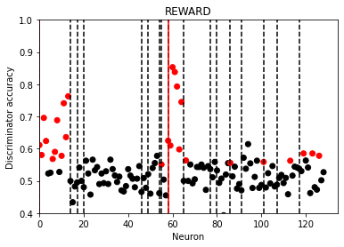

Second analysis: - We exclude the first 8 time points in the dff data, by which stage the mouse should have made it's decision
So the data could reflect whether reward has been detected
But couldn’t this just be whether water has been detected??
Results pretty similar to using all the dff data
s1naive on last 31 data points | s1 on last 31 data points | ppc on last 31 data points
number of neurons passing criteria 35 out of 223 | number of neurons passing criteria 72 out of 277 | number of neurons passing criteria 20 out of 129
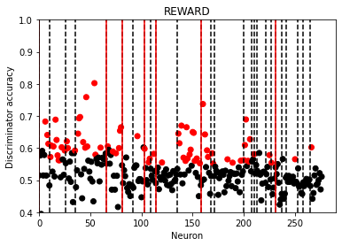
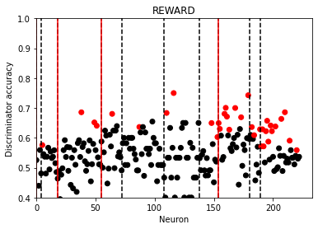
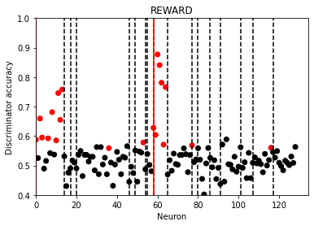

Now we investigate using various parts of the trial dff data:
GROUPS OF 4 DFF POINTS |  |  | GROUPS OF 8 DFF POINTS |  |  | GROUPS OF 12 DFF POINTS
s1naive on just the first 4 data points | s1 on just the first 4 data points | ppc on just the first 4 data points | s1naive on just the first 8 data points | s1 onjust the first 8 data points | ppc on just the first 8 data points | s1naive on just the first 12 data points | s1 onjust the first 12 data points | ppc on just the first 12 data points
number of neurons passing criteria 8 out of 223 | number of neurons passing criteria 13 out of 277 | number of neurons passing criteria 9 out of 129 | number of neurons passing criteria 19 out of 223 | number of neurons passing criteria 23 out of 277 | number of neurons passing criteria 17 out of 129 | number of neurons passing criteria 11 out of 223 | number of neurons passing criteria 29 out of 277 | number of neurons passing criteria 22 out of 129
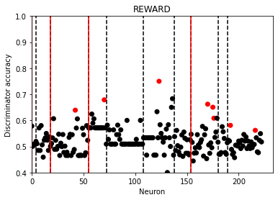
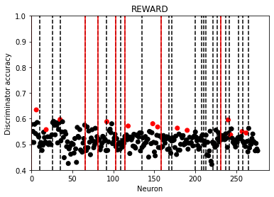
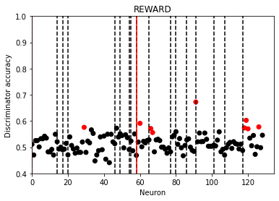
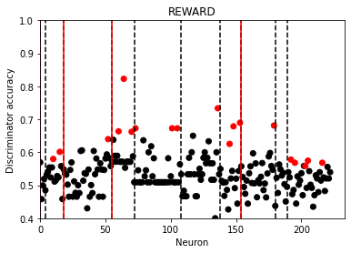
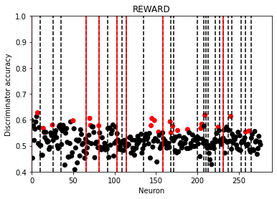
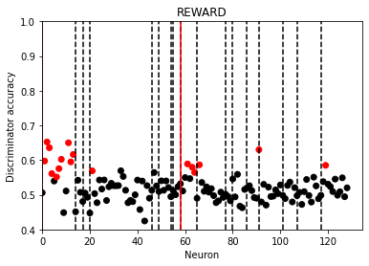
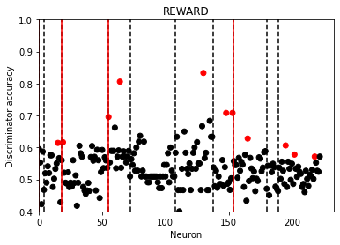
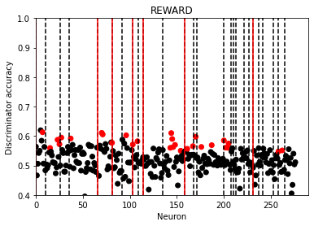
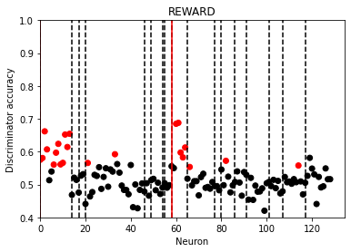

s1naive on data points 4 to 7 | s1 on data points 4 to 7 | ppc on data points 4 to 7
note that count starts at 0, so this is 5th 6th 7th and 8th
number of neurons passing criteria 22 out of 223 | number of neurons passing criteria 34 out of 277 | number of neurons passing criteria 16 out of 129 | s1naive on data points 4 to 11 | s1 on data points 4 to 11 | ppc on data points 4 to 11 | s1naive on data points 4 to 15 | s1 on data points 4 to 15 | ppc on data points 4 to 15
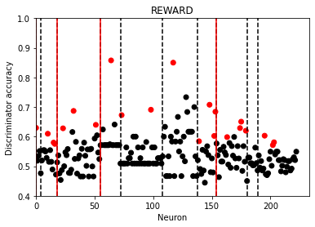
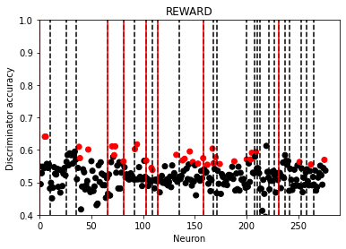
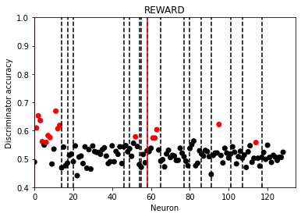
 |  |  | number of neurons passing criteria 21 out of 223 | number of neurons passing criteria 32 out of 277 | number of neurons passing criteria 23 out of 129 | number of neurons passing criteria 24 out of 223 | number of neurons passing criteria 40 out of 277 | number of neurons passing criteria 21 out of 129
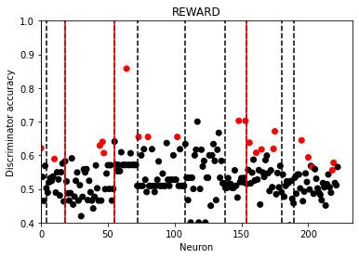
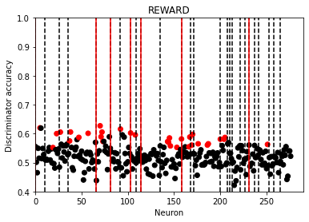
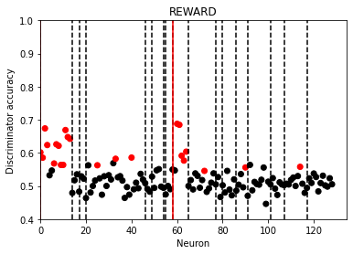
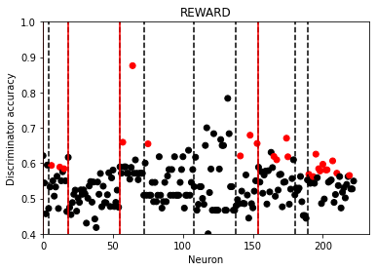
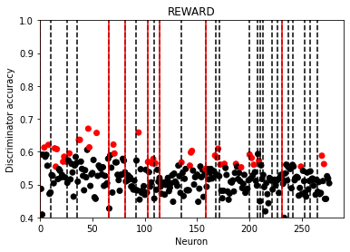
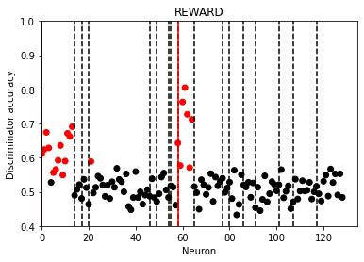

S1naive on data points 8 to 11 | s1 on data points 8 to 11 | ppc on data points 8 to 11 | s1naive on data points 8 to 15 | s1 on data points 8 to 15 | ppc on data points 8 to 15 | s1naive on data points 8 to 19 | s1 on data points 8 to 19 | PPC on data points 8 to 19
number of neurons passing criteria 20 out of 223 | number of neurons passing criteria 27 out of 277 | number of neurons passing criteria 22 out of 129 | number of neurons passing criteria 24 out of 223 | number of neurons passing criteria 35 out of 277 | number of neurons passing criteria 23 out of 129 | number of neurons passing criteria 28 out of 223 | number of neurons passing criteria 54 out of 277 | number of neurons passing criteria 21 out of 129
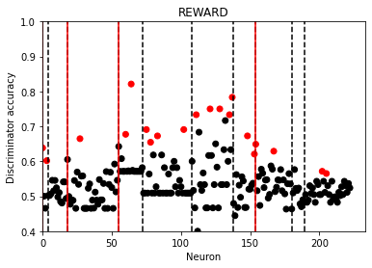
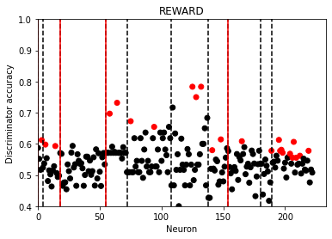
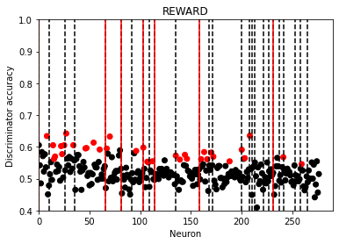
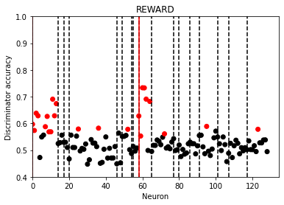
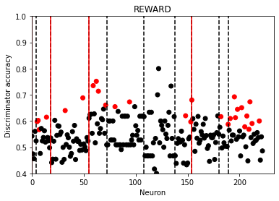
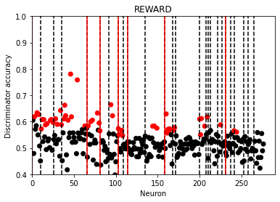
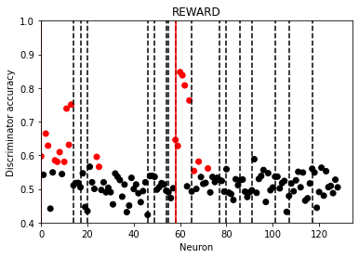
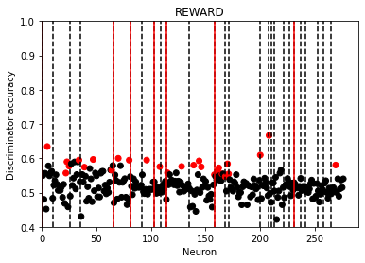
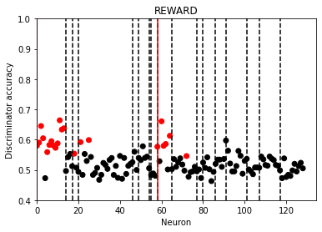

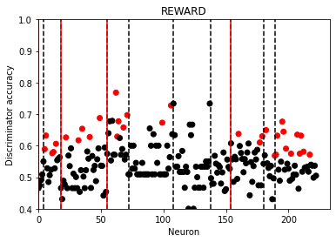
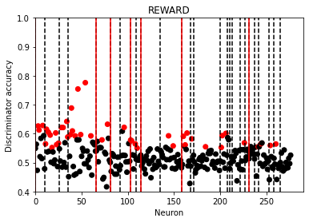
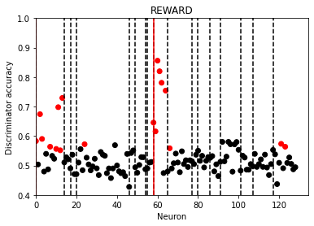
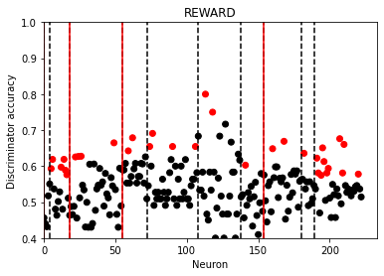
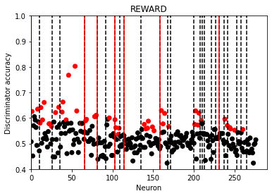
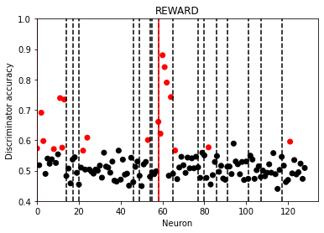
 |  |  | s1naive on data points 12 to 19 | s1 on data points 12 to 19 | ppc on data points 12 to 19 | s1naive on data points 12 to 23 | s1 on data points 12 to 23 | ppc on data points 12 to 23
 |  |  | number of neurons passing criteria 33 out of 223 | number of neurons passing criteria 45 out of 277 | number of neurons passing criteria 18 out of 129 | number of neurons passing criteria 33 out of 223 | number of neurons passing criteria 49 out of 277 | number of neurons passing criteria 19 out of 129
s1naive on data points 12 to 15 | s1 on data points 12 to 15 | ppc on data points 12 to 15
number of neurons passing criteria 21 out of 223 | number of neurons passing criteria 42 out of 277 | number of neurons passing criteria 14 out of 129
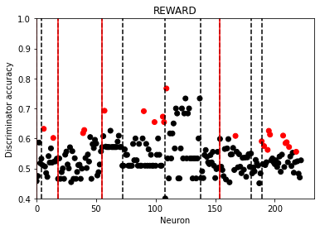
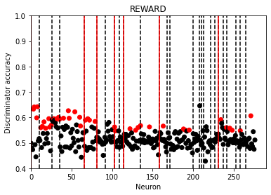
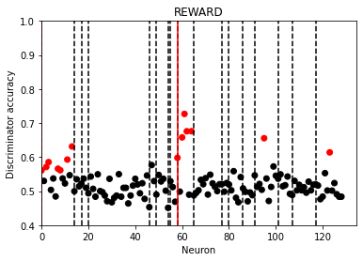

 |  |  |  |  |  | s1naive on data points 16 to 27 | s1 on data points 16 to 27 | ppc on data points 16 to 27
 |  |  |  |  |  | number of neurons passing criteria 40 out of 223 | number of neurons passing criteria 41 out of 277 | number of neurons passing criteria 18 out of 129
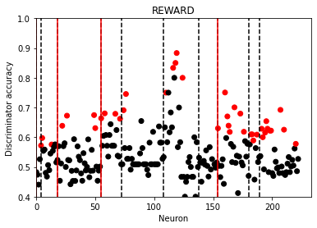
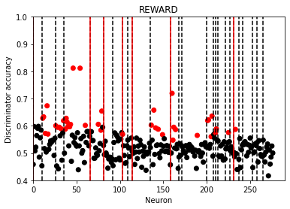
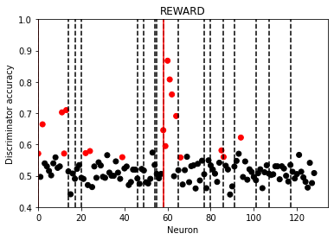
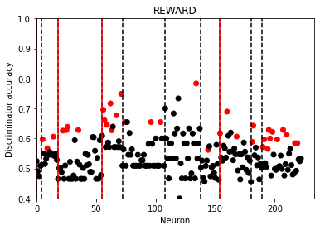
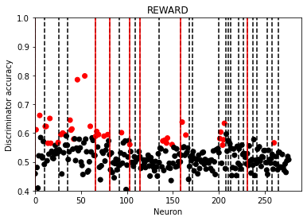
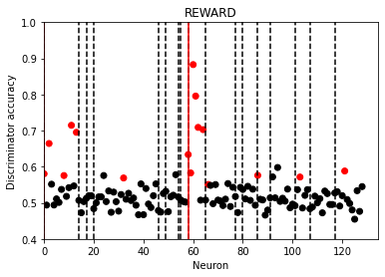
 |  |  | s1naive on data points 16 to 23 | S1 on data points 16 to 23 | PPC on data points 16 to 23
 |  |  | number of neurons passing criteria 30 out of 223 | number of neurons passing criteria 38 out of 277 | number of neurons passing criteria 16 out of 129
s1naive on data points 16 to 19 | s1 on data points 16 to 19 | ppc on data points 16 to 19
number of neurons passing criteria 35 out of 223 | number of neurons passing criteria 35 out of 277 | number of neurons passing criteria 17 out of 129



 |  |  |  |  |  | s1naive on data points 20 to 31 | s1 on data points 20 to 31 | ppc on data points 20 to 31
 |  |  |  |  |  | number of neurons passing criteria 26 out of 223 | number of neurons passing criteria 41 out of 277 | number of neurons passing criteria 20 out of 129



 |  |  | s1naive on data points 20 to 27 | s1 on data points 20 to 27 | PPC on data points 20 to 27
 |  |  | number of neurons passing criteria 21 out of 223 | number of neurons passing criteria 43 out of 277 | number of neurons passing criteria 16 out of 129



s1naive on data points 20 to 24 | s1 on data points 20 to 24 | PPC on data points 20 to 24
number of neurons passing criteria 17 out of 223 | number of neurons passing criteria 42 out of 277 | number of neurons passing criteria 16 out of 129




 |  |  |  |  |  | s1naive on data points 24 to 35 | s1 on data points 24 to 35 | PPC on data points 24 to 35
 |  |  |  |  |  | number of neurons passing criteria 28 out of 223 | number of neurons passing criteria 40 out of 277 | number of neurons passing criteria 17 out of 129



 |  |  | s1naive on data points 24 to 31 | s1 on data points 24 to 31 | PPC on data points 24 to 31
 |  |  | number of neurons passing criteria 24 out of 223 | number of neurons passing criteria 43 out of 277 | number of neurons passing criteria 17 out of 129




s1naive on data points 24 to 27 | s1 on data points 24 to 27 | PPC on data points 24 to 27
number of neurons passing criteria 19 out of 223 | number of neurons passing criteria 37 out of 277 | number of neurons passing criteria 15 out of 129




 |  |  | s1naive on data points 28 to 35 | s1 on data points 28 to 35 | PPC on data points 28 to 35 | s1naive on data points 28 to 39 | s1 on data points 28 to 39 | PPC on data points 28 to 39
 |  |  | number of neurons passing criteria 29 out of 223 | number of neurons passing criteria 41 out of 277 | number of neurons passing criteria 14 out of 129 | number of neurons passing criteria 31 out of 223 | number of neurons passing criteria 53 out of 277 | number of neurons passing criteria 14 out of 129







s1naive on data points 28 to 31 | S1 on data points 28 to 31 | PPC on data points 28 to 31
number of neurons passing criteria 29 out of 223 | number of neurons passing criteria 42 out of 277 | number of neurons passing criteria 9 out of 129




 |  |  | s1naive on data points 32 to 39 | s1 on data points 32 to 39 | ppc on data points 32 to 39
 |  |  | number of neurons passing criteria 26 out of 223 | number of neurons passing criteria 42 out of 277 | number of neurons passing criteria 10 out of 129





s1naive on data points 32 to 35 | s1 on data points 32 to 35 | PPC on data points 32 to 35
number of neurons passing criteria 27 out of 223 | number of neurons passing criteria 34 out of 277 | number of neurons passing criteria 6 out of 129

Summary of reward analyses
s1naive
dff length 12
Charts show percentage of neurons passing 95 rank, based on analysis using just part of the dff
General impression:
 | S1 data seems better when using dff after the stimulus (reacting to whther or not it gets water when licking)
 | PPC data seems better when using dff during and immediately after the stimulus
 | S1naive data - not clear???

 |  |  | Summary of performance for different lenghts if dff used, and differetn start points
 |  | PERCENTAGE
 |  | S1naive (223 total) |  | start point of dff used
 |  |  |  | 0 | 4 | 8 | 12 | 16 | 20 | 24 | 28 | 32
 |  | length of dff | 4 | 4% | 10% | 9% | 9% | 16% | 8% | 9% | 13% | 12%
 |  |  | 8 | 9% | 9% | 11% | 15% | 13% | 9% | 11% | 13% | 12%
S1
dff length 8
 |  |  | 12 | 5% | 11% | 13% | 15% | 18% | 12% | 13% | 14%

 |  | S1 (277 total) |  | start point of dff used
 |  |  |  | 0 | 4 | 8 | 12 | 16 | 20 | 24 | 28 | 32
 |  | length of dff | 4 | 5% | 12% | 10% | 15% | 13% | 19% | 17% | 19% | 15%
 |  |  | 8 | 8% | 12% | 13% | 16% | 14% | 19% | 19% | 18% | 19%
 |  |  | 12 | 10% | 14% | 19% | 18% | 15% | 18% | 18% | 24%

 |  | PPC (129 total) |  | start point of dff used
 |  |  |  | 0 | 4 | 8 | 12 | 16 | 20 | 24 | 28 | 32
 |  | length of dff | 4 | 7% | 12% | 17% | 11% | 13% | 7% | 7% | 4% | 3%
PPC
 |  |  | 8 | 13% | 18% | 18% | 14% | 12% | 7% | 8% | 6% | 4%
dff length 4
 |  |  | 12 | 17% | 16% | 16% | 15% | 14% | 9% | 8% | 6%

 |  | DATA
 |  | S1naive (223 total)
 |  |  |  | 0 | 4 | 8 | 12 | 16 | 20 | 24 | 28 | 32
 |  | length of dff | 4 | 8 | 22 | 20 | 21 | 35 | 17 | 19 | 29 | 27
 |  |  | 8 | 19 | 21 | 24 | 33 | 30 | 21 | 24 | 29 | 26
 |  |  | 12 | 11 | 24 | 28 | 33 | 40 | 26 | 28 | 31

 |  | S1 (277 total)

 |  | length of dff | 4 | 13 | 34 | 27 | 42 | 35 | 42 | 37 | 42 | 34
 |  |  | 8 | 23 | 32 | 35 | 45 | 38 | 43 | 43 | 41 | 42
 |  |  | 12 | 29 | 40 | 54 | 49 | 41 | 41 | 40 | 53

 |  | PPC (129 total)

 |  | length of dff | 4 | 9 | 16 | 22 | 14 | 17 | 16 | 15 | 9 | 6
 |  |  | 8 | 17 | 23 | 23 | 18 | 16 | 16 | 17 | 14 | 10
 |  |  | 12 | 22 | 21 | 21 | 19 | 18 | 20 | 17 | 14

label is previous trial
This sheet shows, for each brain area, results of the "REWARD" analysis:
- we take all the LICK trials and determine how well they are at classifying whether the previous trial was GO or NOGO
The red lines separate different mice, and the dotted black lines separate different sessions

Overall Conclusion - all 3 brain areas much better at classifying current lable than previous label
s1naive on all 41 data points | s1 on all 41 data points | ppc on all 41 data points
number of neurons passing criteria 15 out of 223 | number of neurons passing criteria 16 out of 277 | number of neurons passing criteria 13 out of 129




COMPARED WITH 31 OUT OF 223 WHERE LABEL IS SAME TRIAL | COMPARED WITH 66 OUT OF 277 WHERE LABEL IS SAME TRIAL | COMPARED WITH 26 OUT OF 129 WHERE LABEL IS SAME TRIAL
CHART WHERE LABELS IS SAME TRIAL: | CHART WHERE LABELS IS SAME TRIAL: | CHART WHERE LABELS IS SAME TRIAL:

